Q1
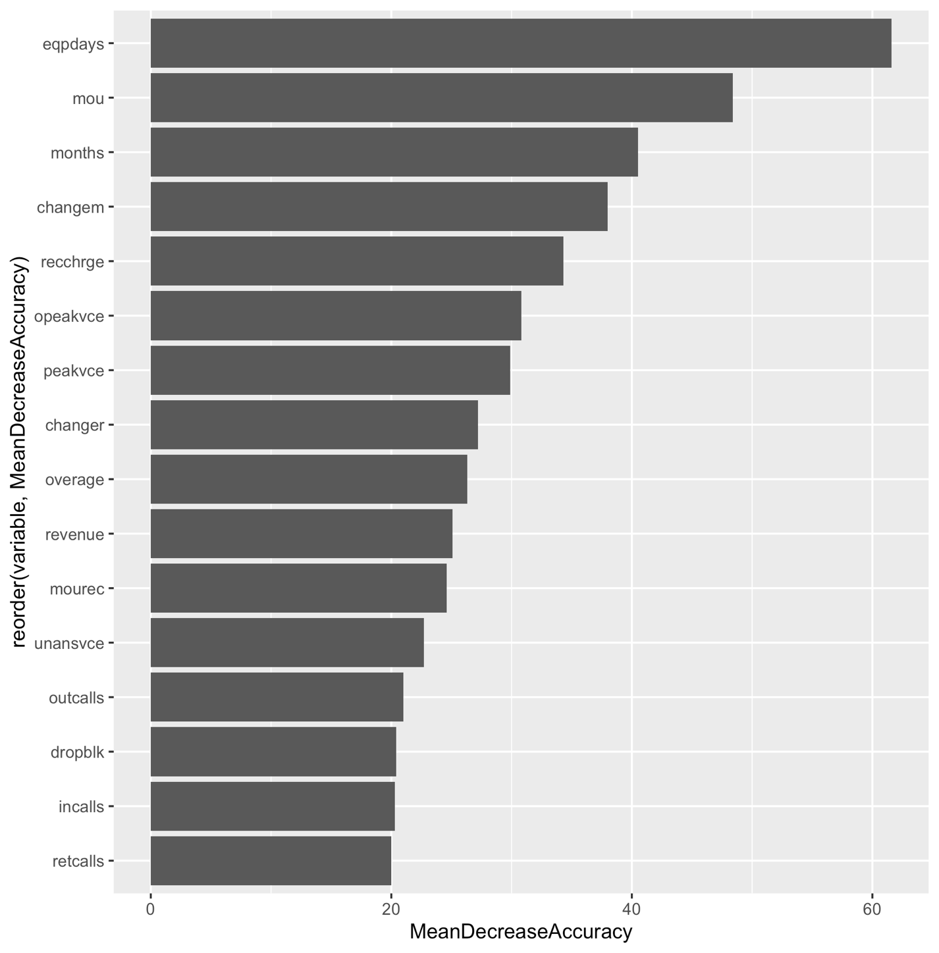
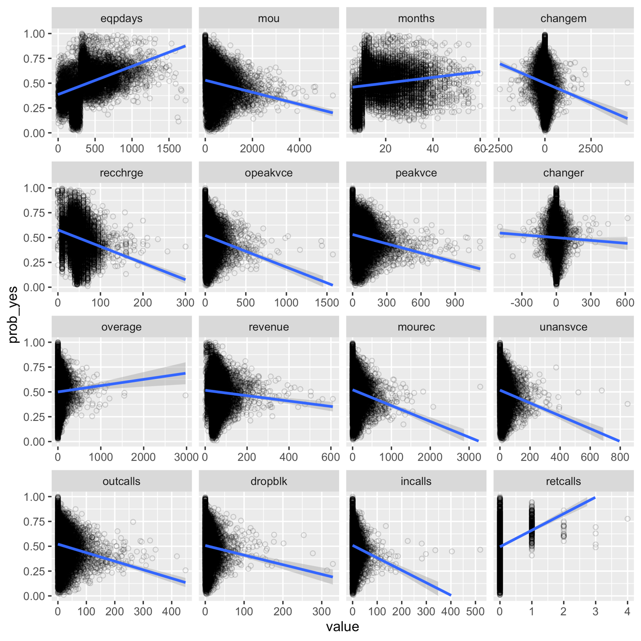
Q1. a. How good is this model?

We see that this is a strong predictive model as evidenced by the customers in the top decile having 2.43 times more churn rate than the average. There is high lift in top tiles and low lift in bottom tiles. This will help us in better targeting and hence the model is very good.

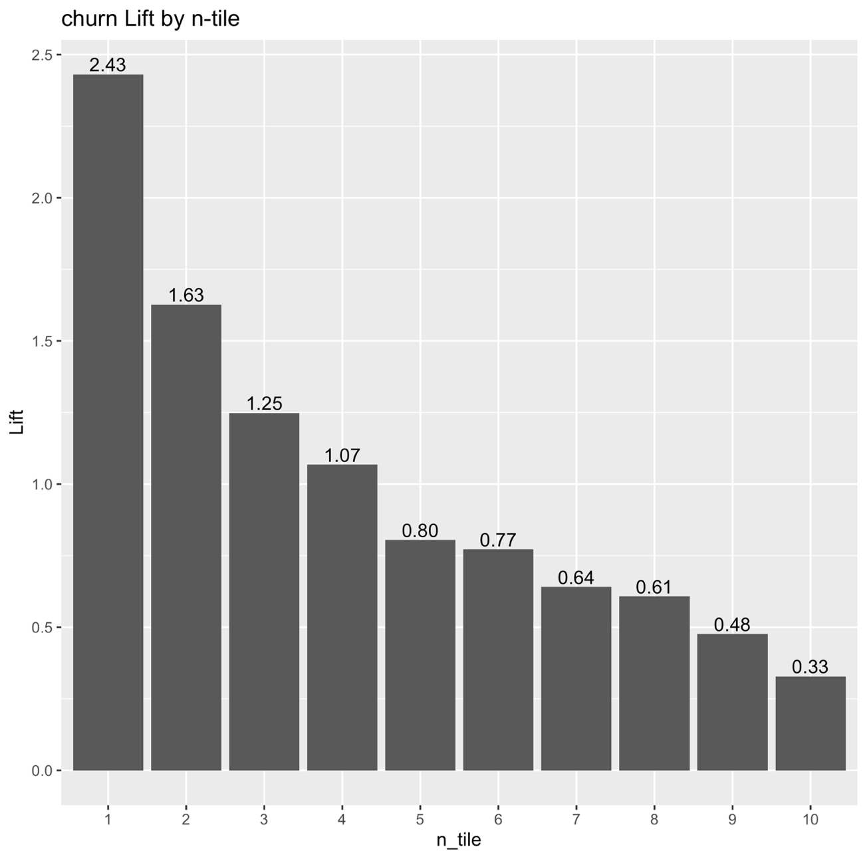

Q1. b. What are the five most important predictors of customer churn? How do they influence churn? Do these predictors and their impact make sense?

Based on the bar graph below, we see that the 5 most important predictors of customer churn are:

Predictors | Relationships (Based on the plots below)
eqpdays (Number of days owned current equipment) | The higher this value, the higher the likelihood of churn (as the plot shows direct relationship)
mou (mean monthly minutes of use) | The higher this figure, the smaller the likelihood of churn (since its inversely proportional as shown in the graph)
months (Months in Service) | The higher the number of months in service, the greater the likelihood of churn
changem (% Change in minutes of use) | The higher the positive changem (% change in mins of use), the less likely to churn
rechhrge (mean total recurring charge) | The higher this figure, the less likely to churn

The influence of variables mou and changem makes sense. As the minutes of use values increases, the higher the person is using the service and hence he/she is a more satisfied customer who is less likely to churn.
We would've expected months to be the opposite, whereby the higher this figure is the less likely to churn as a result of familiarity, trust, relationship-building, etc.. This underscores the need for a strong relationship management program where old customers feel valued and invested in their relationship with SmartCell
We would've also expected increase in the mean total recurring charge to increase the customer churn as people may like to look for cheaper options.

